Bug reports
ID | BR1
Reporter: | Yoseph Vince | Assignee: | Developer | Status: | New
Type: | Functional | Severity: | S1 | Priority: | P1
Browser: | Google Chrome | OS: | IpadOS | OS version | 16
Summary: | The products images are not shown after exiting from main page
Description:

Pre-conditions:
1 | https://eldorado.ua/ must be opened in browser
2
Steps to reproduce:
1 | Press on the "політикою конфіденційності" link
2 | Turn to main page and start scrolling
3
4
Actual result:
The products images are not shown after exiting from main page

Expected result:
The products images are shown after exiting from main page

Attachments: | 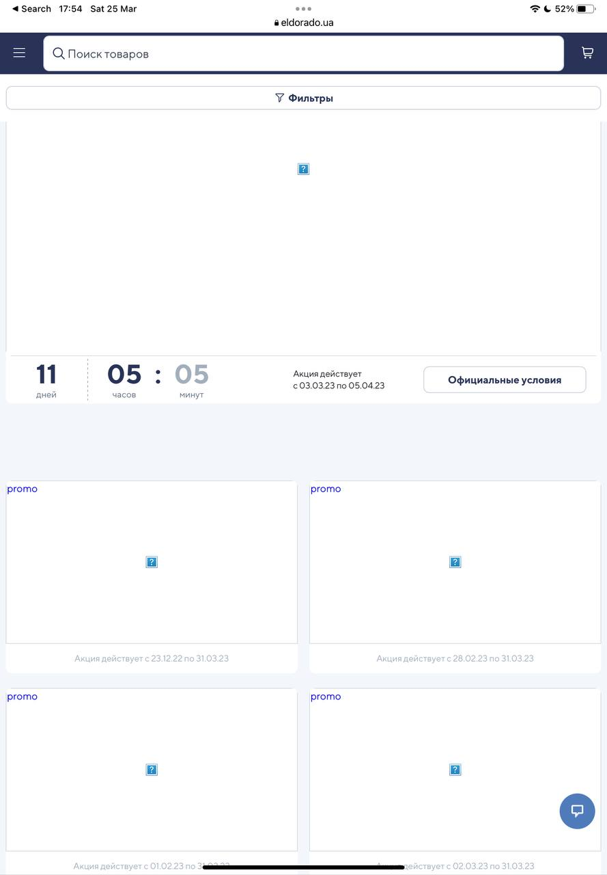
Additional info:

ID | BR2
Reporter: | Yoseph Vince | Assignee: | Developer | Status: | New
Type: | Functional | Severity: | S3 | Priority: | P2
Browser: | Google Chrome | OS: | IpadOS | OS version | 16
Summary: | The components in footer are not valid
Description:

Pre-conditions:
1 | https://eldorado.ua/ must be opened in browser
2
Steps to reproduce:
1 | Press on the "Все про бонуси" in footer
2 | Turn to footer in opened page
3
4
Actual result:
The "Залишились запитання?" page is not shown fully and text can`t be seen

Expected result:
The "Залишились запитання?" page is shown fully and text can be seen

Attachments: | 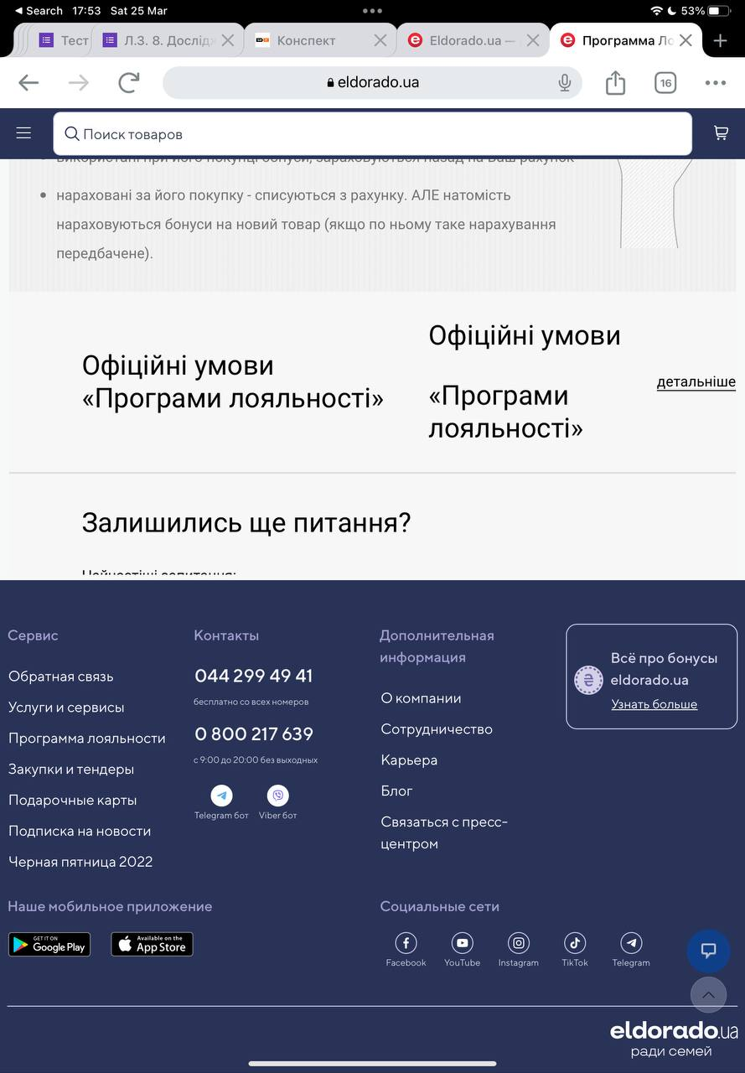
Additional info:

ID | BR3
Reporter: | Yoseph Vince | Assignee: | Developer | Status: | New
Type: | Functional | Severity: | S5 | Priority: | P3
Browser: | Google Chrome | OS: | IpadOS | OS version | 16
Summary: | The promotioned products image don`t work valid
Description:

Pre-conditions:
1 | https://eldorado.ua/ must be opened in browser
2 | The browser orientation must be portrait
Steps to reproduce:
1 | Turn to album orientation in the main page
2
3
4
Actual result:
The promotioned products image is stretching and text looks not valid

Expected result:
The promotioned products image is get bigger, but not stretching

Additional info:

ID | BR4
Reporter: | Yoseph Vince | Assignee: | Developer | Status: | New
Type: | Functional | Severity: | S5 | Priority: | P3
Browser: | Google Chrome | OS: | IpadOS | OS version | 16
Summary: | The pointers below promotioned products image don`t work valid
Description:

Pre-conditions:
1 | https://eldorado.ua/ must be opened in browser
2
Steps to reproduce:
1 | tap on the pointer in the main page and go to the next product
2 | tap on the product image
3 | go back
4
Actual result:
The first product image on the main page is shown

Expected result:
The present (second) product image on the main page is shown

Additional info:

ID | BR5
Reporter: | Yoseph Vince | Assignee: | Developer | Status: | New
Type: | Functional | Severity: | S1 | Priority: | P3
Browser: | Google Chrome | OS: | IpadOS | OS version | 16
Summary: | The shop basket can`t be opened when it`s empty
Description:

Pre-conditions:
1 | https://eldorado.ua/ must be opened in browser
2
Steps to reproduce:
1 | Tap on the shopping basket icon when it`s empty
2
3
4
Actual result:
The shop basket can`t be opened when it`s empty

Expected result:
The shop basket can be opened when it`s empty

Additional info:

ID | BR6
Reporter: | Yoseph Vince | Assignee: | Developer | Status: | New
Type: | Logic | Severity: | S5 | Priority: | P3
Browser: | Google Chrome | OS: | IpadOS | OS version | 16
Summary: | The mistakes in the words in footer
Description:

Pre-conditions:
1 | https://eldorado.ua/ must be opened in browser
2
Steps to reproduce:
1 | Go to footer
2 | Find a "Telegram бот" and "Viber бот" buttons
3
4
Actual result:
mistakes in orthography: "Telegram бот" and "Viber бот" buttons

Expected result:
The correct form must be "телеґрам-бот" and "вайбер-бот"

Additional info:

ID | BR7
Reporter: | Yoseph Vince | Assignee: | Developer | Status: | New
Type: | Logic | Severity: | S5 | Priority: | P3
Browser: | Google Chrome | OS: | IpadOS | OS version | 16
Summary: | The mistakes in the words in header
Description:

Pre-conditions:
1 | https://eldorado.ua/ must be opened in browser
2
Steps to reproduce:
1 | Go to header
2 | Find a "Всі акції" button
3
4
Actual result:
mistakes in orthography: всі акції

Expected result:
The correct form must be "усі акції"

Additional info:

ID | BR8
Reporter: | Yoseph Vince | Assignee: | Developer | Status: | New
Type: | Logic | Severity: | S2 | Priority: | P3
Browser: | Google Chrome | OS: | IpadOS | OS version | 16
Summary: | The "Black Friday 2022" button problem
Description:

Pre-conditions:
1 | https://eldorado.ua/ must be opened in browser
2
Steps to reproduce:
1 | Go to footer
2 | Find a "Black Friday 2022" button
3 | Tap
4
Actual result:
The page about Black Friday 2023 is opened

Expected result:
The page about Black Friday 2022 is opened

Additional info:

ID | BR9
Reporter: | Yoseph Vince | Assignee: | Developer | Status: | New
Type: | Functional | Severity: | S2 | Priority: | P3
Browser: | Google Chrome | OS: | IpadOS | OS version | 16
Summary: | The "Подарункові карти" page problem
Description:

Pre-conditions:
1 | https://eldorado.ua/ must be opened in browser
2
Steps to reproduce:
1 | Go to footer
2 | Find a "Подарункові карти" button
3 | Tap
4
Actual result:
The page about gift cards is opened in different interface with the main page, the elements is not valid and climbs out

Expected result:
The page about gift cards is opened in the same interface, like the main page, the elements is valid

Additional info:

ID | BR10
Reporter: | Yoseph Vince | Assignee: | Developer | Status: | New
Type: | Functional | Severity: | S1 | Priority: | P3
Browser: | Google Chrome | OS: | IpadOS | OS version | 16
Summary: | "Закупівлі та тендера" button problem
Description:

Pre-conditions:
1 | https://eldorado.ua/ must be opened in browser
2
Steps to reproduce:
1 | Go to footer
2 | Tap on the "Закупівлі та тендера" button
3
4
Actual result:
The page about is opened with the "Закупівлі та тендери" title

Expected result:
The page about is opened with the "Закупівлі та тендера" title

Additional info:

